Tabelle
 |  | XS | S | M | L | XL | 2Xl | 3XL | Total
T-Shirt Men Longsleeve 100% Cotton |  | 0 | 4400 | 2800 | 7500 | 5500 | 7500 | 16900 | 44600
BGR | Bottle Green | 0 | 0 | 0 | 0 | 0 | 300 | 700 | 1000
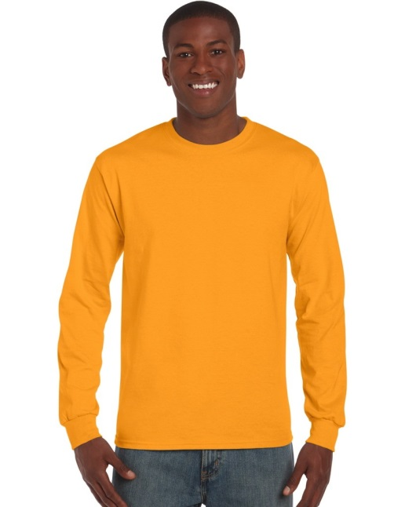
BLA | Black | 0 | 0 | 0 | 200 | 0 | 0 | 100 | 300
BRO | Brown | 0 | 0 | 0 | 0 | 0 | 400 | 700 | 1100
DBL | Denim Blue | 0 | 500 | 0 | 200 | 100 | 400 | 1400 | 2600
DKG | Dark Kelly Green | 0 | 0 | 0 | 400 | 500 | 1000 | 1700 | 3600
DNA | Dark Navy | 0 | 0 | 0 | 0 | 0 | 500 | 900 | 1400
DOR | Dark Orange | 0 | 500 | 100 | 0 | 0 | 0 | 800 | 1400
HGR | Heather Grey | 0 | 0 | 0 | 1600 | 0 | 0 | 600 | 2200 | Colour Heather Grey 90% Cotton / 10% Polyester
KGR | Kelly Green | 0 | 0 | 200 | 0 | 100 | 600 | 800 | 1700
KHA | Khaki | 0 | 100 | 0 | 0 | 300 | 100 | 100 | 600
LBL | Light Blue | 0 | 0 | 0 | 0 | 400 | 300 | 600 | 1300
LPI | Light Pink | 0 | 700 | 700 | 500 | 800 | 800 | 900 | 4400
MOS | Moss | 0 | 1100 | 400 | 900 | 1100 | 1100 | 1700 | 6300
NAV | Navy | 0 | 0 | 0 | 1600 | 0 | 0 | 800 | 2400
ORA | Orange | 0 | 300 | 500 | 400 | 400 | 400 | 500 | 2500
RBL | Royal Blue | 0 | 0 | 0 | 300 | 0 | 300 | 1100 | 1700
RED | Red | 0 | 0 | 0 | 1100 | 1200 | 100 | 1300 | 3700
TUR | Turquoise | 0 | 300 | 500 | 200 | 0 | 300 | 600 | 1900
WHI | White | 0 | 0 | 0 | 0 | 0 | 0 | 0 | 0
WRE | Wine Red | 0 | 500 | 400 | 100 | 400 | 500 | 800 | 2700
YEL | Yellow | 0 | 400 | 0 | 0 | 200 | 400 | 800 | 1800
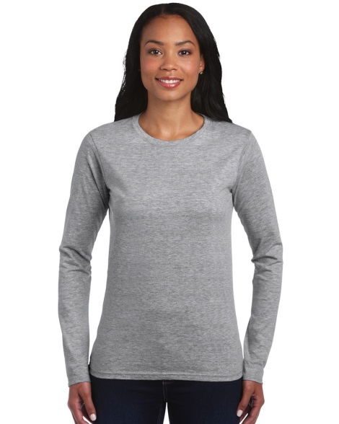
T-Shirt Ladies Longsleeve 100% Cotton |  | 0 | 14300 | 27800 | 14300 | 4500 | 7500 | 0 | 68400
BLA | Black | 0 | 3100 | 6600 | 3200 | 0 | 100 | 0 | 13000
BRO | Brown | 0 | 200 | 400 | 300 | 200 | 0 | 0 | 1100
DKG | Dark Kelly Green | 0 | 0 | 0 | 0 | 200 | 200 | 0 | 400
DOR | Dark Orange | 0 | 100 | 0 | 0 | 0 | 300 | 0 | 400
HGR | #N/A | 0 | 0 | 1100 | 500 | 0 | 0 | 0 | 1600 | Colour Heather Grey 90% Cotton / 10% Polyester
KHA | Khaki | 0 | 400 | 300 | 400 | 900 | 800 | 0 | 2800
LPI | Light Pink | 0 | 1300 | 1100 | 700 | 100 | 300 | 0 | 3500
NAV | Navy | 0 | 200 | 3300 | 400 | 0 | 100 | 0 | 4000
RBL | Royal Blue | 0 | 700 | 0 | 300 | 600 | 500 | 0 | 2100
TUR | Turquoise | 0 | 0 | 0 | 0 | 0 | 400 | 0 | 400
WHI | White | 0 | 7800 | 13700 | 8200 | 2500 | 4700 | 0 | 36900
WRE | Wine Red | 0 | 500 | 1300 | 300 | 0 | 100 | 0 | 2200
T-Shirt Men 100% Cotton |  | 3300 | 24997 | 79300 | 222137 | 170000 | 55900 | 25900 | 589534
ASH | Ash | 600 | 0 | 0 | 0 | 0 | 0 | 900 | 1500
BGR | Bottle Green | 200 | 600 | 100 | 100 | 0 | 200 | 800 | 2000
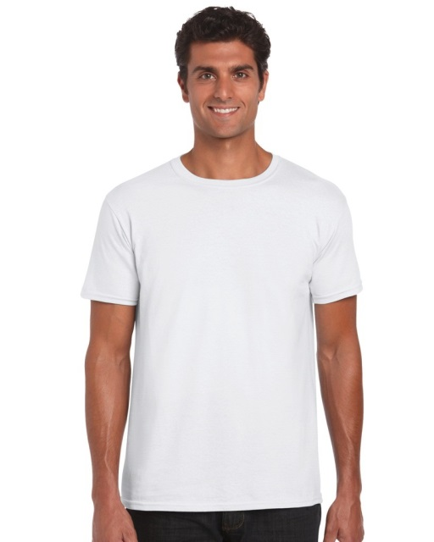
BLA | Black | 0 | 0 | 0 | 3200 | 0 | 0 | 0 | 3200
BRO | Brown | 900 | 8000 | 18900 | 44590 | 32100 | 9700 | 3900 | 118090
DBL | Denim Blue | 0 | 0 | 6300 | 10490 | 2200 | 0 | 500 | 19490
DKG | Dark Kelly Green | 0 | 600 | 0 | 0 | 0 | 600 | 900 | 2100
DNA | Dark Navy | 0 | 0 | 0 | 0 | 0 | 0 | 600 | 600
DOR | Dark Orange | 0 | 0 | 0 | 0 | 0 | 0 | 1600 | 1600
HGR | Heather Grey | 0 | 200 | 300 | 0 | 0 | 0 | 500 | 1000 | Colour Heather Grey 90% Cotton / 10% Polyester
KGR | Kelly Green | 0 | 0 | 3600 | 0 | 100 | 0 | 200 | 3900
KHA | Khaki | 900 | 2700 | 3000 | 4690 | 4900 | 0 | 0 | 16190
LPI | Light Pink | 0 | 1000 | 10600 | 34740 | 28600 | 12000 | 5300 | 99590
MOS | Moss | 700 | 8097 | 21900 | 40237 | 27700 | 4700 | 2600 | 106584
NAV | Navy | 0 | 300 | 0 | 1500 | 0 | 0 | 0 | 1800
ORA | Orange | 0 | 0 | 200 | 33000 | 27100 | 14200 | 4100 | 78600
RBL | Royal Blue | 0 | 0 | 0 | 0 | 0 | 100 | 300 | 400
RED | Red | 0 | 0 | 0 | 0 | 1300 | 200 | 300 | 1800
WRE | Wine Red | 0 | 2900 | 14100 | 45490 | 44600 | 13700 | 1200 | 121990
YEL | Yellow | 0 | 600 | 300 | 4100 | 1400 | 500 | 2200 | 9100
T-Shirt Ladies 100% Cotton |  | 0 | 42500 | 59500 | 100600 | 38398 | 46500 | 0 | 287498
ASH | Ash | 0 | 0 | 0 | 0 | 100 | 400 | 0 | 500
BGR | Bottle Green | 0 | 300 | 0 | 0 | 500 | 800 | 0 | 1600
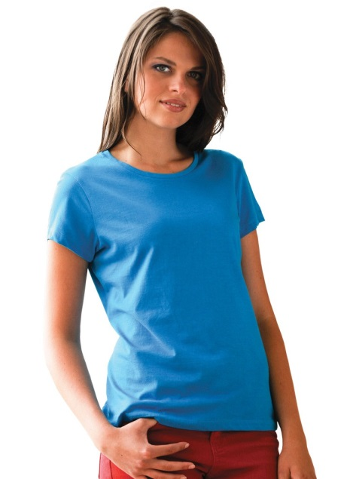
BLA | Black | 0 | 7800 | 15300 | 23600 | 12500 | 3400 | 0 | 62600
BRO | Brown | 0 | 500 | 800 | 500 | 500 | 0 | 0 | 2300
DBL | Denim Blue | 0 | 0 | 0 | 0 | 0 | 100 | 0 | 100
DKG | Dark Kelly Green | 0 | 0 | 0 | 400 | 800 | 1500 | 0 | 2700
DNA | Dark Navy | 0 | 300 | 200 | 300 | 200 | 700 | 0 | 1700
DOR | Dark Orange | 0 | 300 | 0 | 0 | 300 | 1300 | 0 | 1900
HGR | Heather Grey | 0 | 2300 | 2900 | 1700 | 500 | 600 | 0 | 8000 | Colour Heather Grey 90% Cotton / 10% Polyester
KGR | Kelly Green | 0 | 0 | 0 | 0 | 200 | 1500 | 0 | 1700
KHA | Khaki | 0 | 900 | 1200 | 1400 | 0 | 200 | 0 | 3700
LPI | Light Pink | 0 | 3100 | 4700 | 2900 | 1300 | 2500 | 0 | 14500
MOS | Moss | 0 | 0 | 500 | 0 | 0 | 0 | 0 | 500
NAV | Navy | 0 | 5100 | 7700 | 4100 | 1800 | 2700 | 0 | 21400
ORA | Orange | 0 | 1800 | 5300 | 10800 | 8398 | 3700 | 0 | 29998
RBL | Royal Blue | 0 | 1800 | 2700 | 7300 | 4700 | 2800 | 0 | 19300
RED | Red | 0 | 4100 | 4400 | 2900 | 0 | 3800 | 0 | 15200
WHI | White | 0 | 13400 | 10500 | 35500 | 100 | 14500 | 0 | 74000
WRE | Wine Red | 0 | 0 | 600 | 0 | 600 | 1600 | 0 | 2800
YEL | Yellow | 0 | 800 | 2700 | 9200 | 5900 | 4400 | 0 | 23000
 |  |  | 71897 | 141600 | 330237 | 213898 | 109900 | 42800 | 921632

